ServerRoomLayout
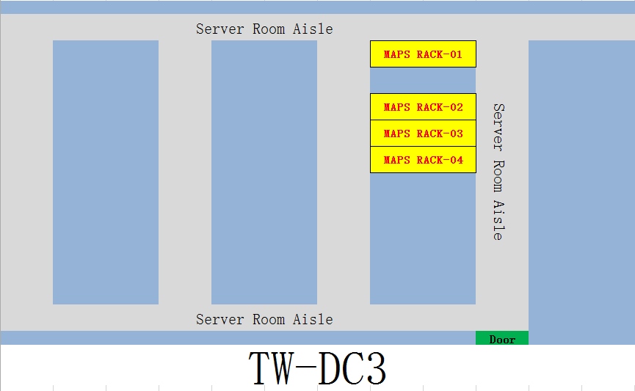

RackLayout
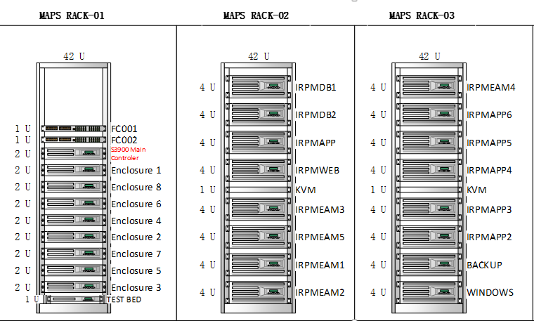

PhysicalDeviceDescription
S3900 Control Frame | RH5885H V3 | RH2288H
S3900 Front Panel | RH5885H V3 Front Panel | RH2288H V2 Front Panel

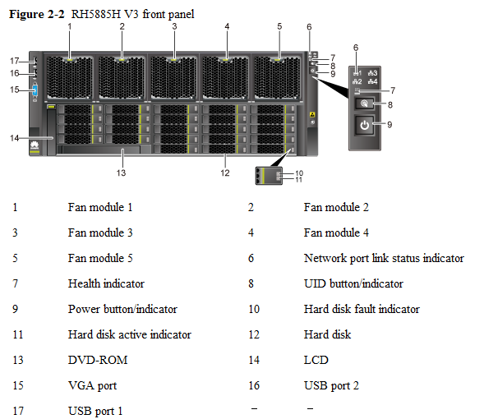
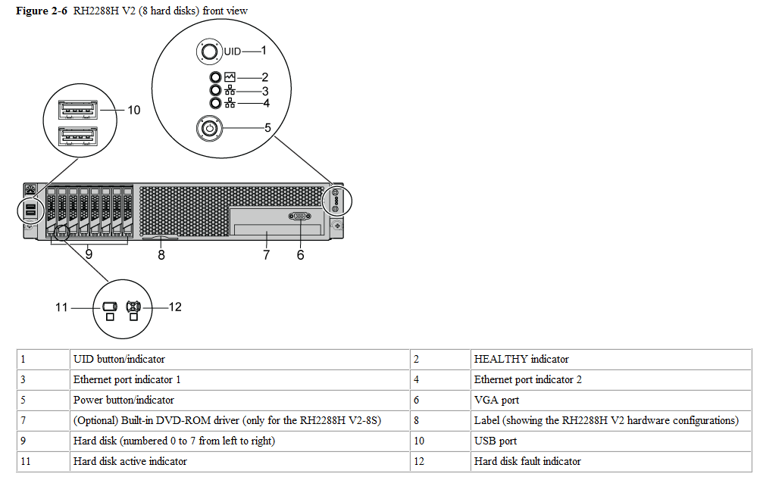

 | RH5885H V3 Back Panel
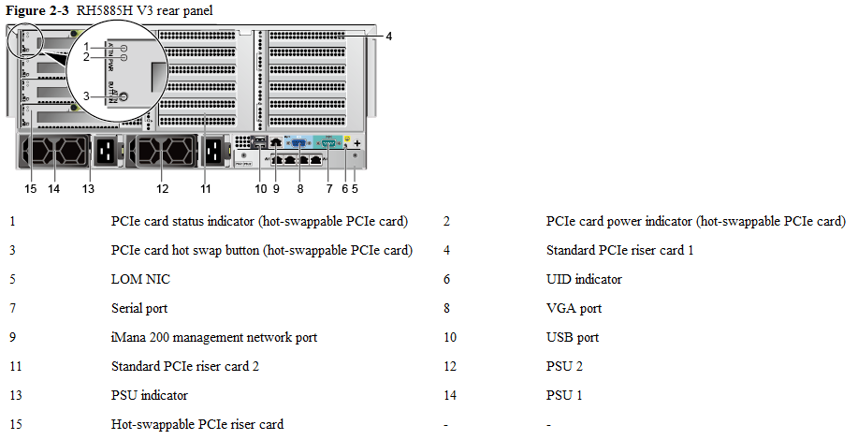
S3900 Back Panel
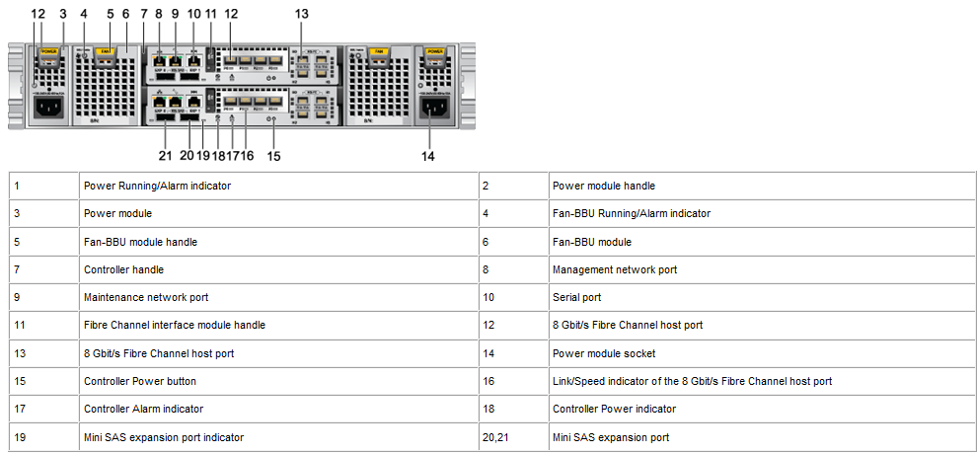

 |  | RH2288H V2 Rear View

StorageRAID Group
RAID Group | Location | Total Disks
MAPS_IR_APP | 0.0~0.8 | 9
MAPS_IR_Backup | 0.9~0.17 | 9
MAPS_IR_DB1 | 0.18~0.23 1.0~1.13 2.0~2.1 | 22
MAPS_IR_DB2 | 2.2~2.21 | 20
TempForBack0602 | 8.2~8.23 | 22
MAPS_DSNEW_001 | 1.14~1.21 | 8
MAPS_DSNEW_002 | 3.0~3.21 | 22
MAPS_DSNEW_007 | 4.2~4.11 | 10
MAPS_DSNEW_003 | 5.0~5.21 | 22
MAPS_DSNEW_004 | 6.0~6.21 | 22
MAPS_DSNEW_006 | 7.0~7.21 | 22

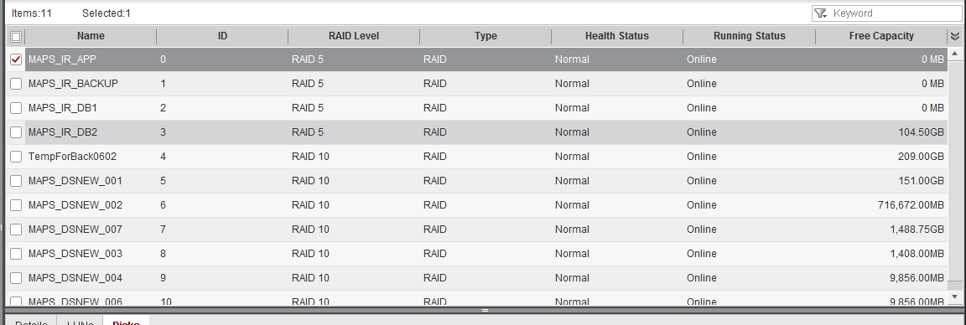

============================================================================================================================================================================
RAID Group Information
----------------------------------------------------------------------------------------------------------------------------------------------------------------------------
ID Level Status Free Capacity(MB) Disk List Name
----------------------------------------------------------------------------------------------------------------------------------------------------------------------------
0 RAID5 Normal 0 0,0;0,1;0,2;0,3;0,4;0,5;0,6;0,7;0,8; MAPS_IR_APP
1 RAID5 Normal 0 0,9;0,10;0,11;0,12;0,13;0,14;0,15;0,16;0,17; MAPS_IR_BACKUP
2 RAID5 Normal 0 0,18;0,19;0,20;0,21;0,22;0,23;1,0;1,1;1,2;1,3;1,4;1,5;1,6;1,7;1,8;1,9;1,10;1,11;1,12;1,13;2,0;2,1; MAPS_IR_DB1
3 RAID5 Normal 107008 2,2;2,3;2,4;2,5;2,6;2,7;2,8;2,9;2,10;2,11;2,12;2,13;2,14;2,15;2,16;2,17;2,18;2,19;2,20;2,21; MAPS_IR_DB2
4 RAID10 Normal 214016 8,2;8,3;8,4;8,5;8,6;8,7;8,8;8,9;8,10;8,11;8,12;8,13;8,14;8,15;8,16;8,17;8,18;8,19;8,20;8,21;8,22;8,23; TempForBack0602
5 RAID10 Normal 154624 1,14;1,15;1,16;1,17;1,18;1,19;1,20;1,21; MAPS_DSNEW_001
6 RAID10 Normal 716672 3,0;3,1;3,2;3,3;3,4;3,5;3,6;3,7;3,8;3,9;3,10;3,11;3,12;3,13;3,14;3,15;3,16;3,17;3,18;3,19;3,20;3,21; MAPS_DSNEW_002
7 RAID10 Normal 1524480 4,2;4,3;4,4;4,5;4,6;4,7;4,8;4,9;4,10;4,11; MAPS_DSNEW_007
8 RAID10 Normal 1408 5,0;5,1;5,2;5,3;5,4;5,5;5,6;5,7;5,8;5,9;5,10;5,11;5,12;5,13;5,14;5,15;5,16;5,17;5,18;5,19;5,20;5,21; MAPS_DSNEW_003
9 RAID10 Normal 9856 6,0;6,1;6,2;6,3;6,4;6,5;6,6;6,7;6,8;6,9;6,10;6,11;6,12;6,13;6,14;6,15;6,16;6,17;6,18;6,19;6,20;6,21; MAPS_DSNEW_004
10 RAID10 Normal 9856 7,0;7,1;7,2;7,3;7,4;7,5;7,6;7,7;7,8;7,9;7,10;7,11;7,12;7,13;7,14;7,15;7,16;7,17;7,18;7,19;7,20;7,21; MAPS_DSNEW_006
============================================================================================================================================================================

===============================================================================================================================================================================
Disk Information
-------------------------------------------------------------------------------------------------------------------------------------------------------------------------------
Disk Location Status Type Vendor Model Serial Number FW Version Speed(RPM) Rate(Gbps) Raw Capacity(GB) BarCode
-------------------------------------------------------------------------------------------------------------------------------------------------------------------------------
(0,0) Normal SAS Hitachi HUC109060CSS600 W7GDTV0X A440 10000 6.0 558 210235G6NU10F4004372
(0,1) Normal SAS Hitachi HUC109060CSS600 W7GDS82X A440 10000 6.0 558 210235G6NU10F4004376
(0,2) Normal SAS Hitachi HUC109060CSS600 W7GB6HAX A440 10000 6.0 558 210235G6NU10F4004385
(0,3) Normal SAS Hitachi HUC109060CSS600 W7GDDPTX A440 10000 6.0 558 210235G6NU10F4004374
(0,4) Normal SAS Hitachi HUC109060CSS600 W7GBE3AX A440 10000 6.0 558 210235G6NU10F4004383
(0,5) Normal SAS Hitachi HUC109060CSS600 W7GBA5YX A440 10000 6.0 558 210235G6NU10F4004386
(0,6) Normal SAS Hitachi HUC109060CSS600 W7GBEKBX A440 10000 6.0 558 210235G6NU10F4004387
(0,7) Normal SAS Hitachi HUC109060CSS600 W7GB3ALX A440 10000 6.0 558 210235G6NU10F4004388
(0,8) Normal SAS Hitachi HUC109060CSS600 W7GDH3AX A440 10000 6.0 558 210235G6NU10F4004371
(0,9) Normal SAS Hitachi HUC109060CSS600 W7GB8EHX A440 10000 6.0 558 210235G6NU10F4004380
(0,10) Normal SAS Hitachi HUC109060CSS600 W7GAKHZX A440 10000 6.0 558 210235G6NU10F4004391
(0,11) Normal SAS Hitachi HUC109060CSS600 W7GAH07X A440 10000 6.0 558 210235G6NU10F4004382
(0,12) Normal SAS Hitachi HUC109060CSS600 W7GBBUEX A440 10000 6.0 558 210235G6NU10F4004392
(0,13) Normal SAS Hitachi HUC109060CSS600 W7GDY6YX A440 10000 6.0 558 210235G6NU10F4004373
(0,14) Normal SAS Hitachi HUC109060CSS600 W7GB787X A440 10000 6.0 558 210235G6NU10F4004377
(0,15) Normal SAS Seagate ST600MM0006 S0M4JE4L0000K52608BZ 0003 10000 6.0 558 210235G6NU10F2003119
(0,16) Normal SAS Seagate ST600MM0006 S0M4JDY50000K5263LJ9 0003 10000 6.0 558 210235G6NU10F2003120
(0,17) Normal SAS Seagate ST600MM0006 S0M4BFXP0000K5250J0N 0003 10000 6.0 558 210235G6NU10F2003159
(0,18) Normal SAS Seagate ST600MM0006 S0M4HBR00000K5274QY2 0003 10000 6.0 558 210235G6NU10F2006500
(0,19) Normal SAS Seagate ST600MM0006 S0M4H3CB0000M525CP8X 0003 10000 6.0 558 210235G6NU10F2003161
(0,20) Normal SAS Seagate ST600MM0006 S0M4HB4A0000K5274NAU 0003 10000 6.0 558 210235G6NU10F2006502
(0,21) Normal SAS Hitachi HUC109060CSS600 W7GB77NX A440 10000 6.0 558 210235G6NU10F4004390
(0,22) Normal SAS Seagate ST600MM0006 S0M4JDXX0000K5260AHT 0003 10000 6.0 558 210235G6NU10F2002933
(0,23) Normal SAS Hitachi HUC109060CSS600 W7GDST4X A440 10000 6.0 558 210235G6NU10F4004375
(1,0) Normal SAS Hitachi HUC109060CSS600 W7GDT4WX A440 10000 6.0 558 210235G6NU10F4004350
(1,1) Normal SAS Hitachi HUC109060CSS600 W7GB739X A440 10000 6.0 558 210235G6NU10F4004378
(1,2) Normal SAS Hitachi HUC109060CSS600 W7GBA1PX A440 10000 6.0 558 210235G6NU10F4004381
(1,3) Normal SAS Hitachi HUC109060CSS600 W7GDRMUX A440 10000 6.0 558 210235G6NU10F4004367
(1,4) Normal SAS Hitachi HUC109060CSS600 W7GB55AX A440 10000 6.0 558 210235G6NU10F4004384
(1,5) Normal SAS Hitachi HUC109060CSS600 W7GBBZPX A440 10000 6.0 558 210235G6NU10F4004379
(1,6) Normal SAS Hitachi HUC109060CSS600 W7GDUD2X A440 10000 6.0 558 210235G6NU10F4004370
(1,7) Normal SAS Seagate ST600MM0006 S0M4HAR40000K5271U7B 0003 10000 6.0 558 210235G6NU10F2002206
(1,8) Normal SAS Seagate ST600MM0006 S0M4E9PG0000K52337EJ 0003 10000 6.0 558 210235G6NU10F2005670
(1,9) Normal SAS Seagate ST600MM0006 S0M4E9BC0000K5231YP5 0003 10000 6.0 558 210235G6NU10F2005669
(1,10) Normal SAS Seagate ST600MM0006 S0M4LBLW0000K526HCYX 0003 10000 6.0 558 210235G6NU10F2001646
(1,11) Normal SAS Hitachi HUC109060CSS600 W7JEJTYG A740 10000 6.0 558 210235G6NU10G3001563
(1,12) Normal SAS Seagate ST600MM0006 S0M4D0GV0000K516BJRE 0003 10000 6.0 558 210235G6NU10F2005654
(1,13) Normal SAS Seagate ST600MM0006 S0M4ECD70000K522JSWB 0003 10000 6.0 558 210235G6NU10F1008289
(1,14) Normal SAS Hitachi HUC109090CSS600 W8JPZ4BG A790 10000 6.0 838 210235906710H1000192
(1,15) Normal SAS Hitachi HUC109090CSS600 W8JPR4MG A790 10000 6.0 838 210235906710H1000176
(1,16) Normal SAS Hitachi HUC109090CSS600 W8JPY3BG A790 10000 6.0 838 210235906710H1000159
(1,17) Normal SAS Hitachi HUC109090CSS600 W8JPWZ5G A790 10000 6.0 838 210235906710H1000161
(1,18) Normal SAS Hitachi HUC109090CSS600 W8JPTRBG A790 10000 6.0 838 210235906710H1000151
(1,19) Normal SAS Hitachi HUC109090CSS600 W8JPZTHG A790 10000 6.0 838 210235906710H1000165
(1,20) Normal SAS Hitachi HUC109090CSS600 W8JPYPJG A790 10000 6.0 838 210235906710H1000187
(1,21) Normal SAS Hitachi HUC109090CSS600 W8JPZKTG A790 10000 6.0 838 210235906710H1000174
(1,22) Normal SAS Hitachi HUC109090CSS600 W8JPV0EG A790 10000 6.0 838 210235906710H1000190
(1,23) Normal SAS Hitachi HUC109090CSS600 W8JPR2BG A790 10000 6.0 838 210235906710H1000178
(2,0) Normal SAS Seagate ST600MM0006 S0M4JDV30000K5263LDD 0003 10000 6.0 558 210235G6NU10F2002866
(2,1) Normal SAS Seagate ST600MM0006 S0M4BFBY0000M525CP87 0003 10000 6.0 558 210235G6NU10F2003153
(2,2) Normal SAS Seagate ST600MM0006 S0M4HB3L0000K5274J8L 0003 10000 6.0 558 210235G6NU10F2006476
(2,3) Normal SAS Seagate ST600MM0006 S0M4GPQ40000K5263MAB 0003 10000 6.0 558 210235G6NU10F2002934
(2,4) Normal SAS Seagate ST600MM0006 S0M4H3780000M525AALJ 0003 10000 6.0 558 210235G6NU10F2003164
(2,5) Normal SAS Seagate ST600MM0006 S0M4HBX00000K5274N73 0003 10000 6.0 558 210235G6NU10F2004548
(2,6) Normal SAS Seagate ST600MM0006 S0M4HBK10000K5271QV2 0003 10000 6.0 558 210235G6NU10F2004545
(2,7) Normal SAS Seagate ST600MM0006 S0M4E99Q0000K5231XWR 0003 10000 6.0 558 210235G6NU10F2005663
(2,8) Normal SAS Seagate ST600MM0006 S0M4HC8T0000K5271C2D 0003 10000 6.0 558 210235G6NU10F2001555
(2,9) Normal SAS Seagate ST600MM0006 S0M4HBN50000K5274PY3 0003 10000 6.0 558 210235G6NU10F2004539
(2,10) Normal SAS Seagate ST600MM0006 S0M4HBEA0000K5271DNR 0003 10000 6.0 558 210235G6NU10F2004544
(2,11) Normal SAS Seagate ST600MM0006 S0M4AL440000K52271EU 0003 10000 6.0 558 210235G6NU10F1008256
(2,12) Normal SAS Seagate ST600MM0006 S0M4HC8C0000K5274QTS 0003 10000 6.0 558 210235G6NU10F2004553
(2,13) Normal SAS Seagate ST600MM0006 S0M4HBDH0000K5274NBS 0003 10000 6.0 558 210235G6NU10F2004551
(2,14) Normal SAS Seagate ST600MM0006 S0M4HBPH0000K5274NXG 0003 10000 6.0 558 210235G6NU10F2002188
(2,15) Normal SAS Seagate ST600MM0006 S0M4HCY40000K5274KJL 0003 10000 6.0 558 210235G6NU10F2004549
(2,16) Normal SAS Seagate ST600MM0006 S0M4HWYB0000K5254KD5 0003 10000 6.0 558 210235G6NU10F2001609
(2,17) Normal SAS Seagate ST600MM0006 S0M4HC0F0000K526D5LS 0003 10000 6.0 558 210235G6NU10F2004851
(2,18) Normal SAS Seagate ST600MM0006 S0M4HCCJ0000K5268JCQ 0003 10000 6.0 558 210235G6NU10F2004547
(2,19) Normal SAS Seagate ST600MM0006 S0M4HD100000K5274MC3 0003 10000 6.0 558 210235G6NU10F2004538
(2,20) Normal SAS Seagate ST600MM0006 S0M4HBNM0000K5274QCF 0003 10000 6.0 558 210235G6NU10F2004546
(2,21) Normal SAS Seagate ST600MM0006 S0M4JEL70000K5260832 0003 10000 6.0 558 210235G6NU10F2003102
(2,22) Normal SAS Seagate ST600MM0006 S0M4BG0X0000M525CNLQ 0003 10000 6.0 558 210235G6NU10F2003158
(2,23) Normal SAS Seagate ST600MM0006 S0M4JCY20000K516GDNY 0003 10000 6.0 558 210235G6NU10F2002757
(3,0) Normal SAS Hitachi HUC109090CSS600 W8JR4YSG A790 10000 6.0 838 210235906710H1000078
(3,1) Normal SAS Hitachi HUC109090CSS600 W8JPY3DG A790 10000 6.0 838 210235906710H1000091
(3,2) Normal SAS Hitachi HUC109090CSS600 W8JPVEUG A790 10000 6.0 838 210235906710H1000092
(3,3) Normal SAS Hitachi HUC109090CSS600 W8JPNYMG A790 10000 6.0 838 210235906710H1000093
(3,4) Normal SAS Hitachi HUC109090CSS600 W8JP814G A790 10000 6.0 838 210235906710H1000094
(3,5) Normal SAS Hitachi HUC109090CSS600 W8JPXG5G A790 10000 6.0 838 210235906710H1000101
(3,6) Normal SAS Hitachi HUC109090CSS600 W8JR5HLG A790 10000 6.0 838 210235906710H1000085
(3,7) Normal SAS Hitachi HUC109090CSS600 W8JR2J1G A790 10000 6.0 838 210235906710H1000098
(3,8) Normal SAS Hitachi HUC109090CSS600 W8JPVZ4G A790 10000 6.0 838 210235906710H1000099
(3,9) Normal SAS Hitachi HUC109090CSS600 W8JPYRXG A790 10000 6.0 838 210235906710H1000073
(3,10) Normal SAS Hitachi HUC109090CSS600 W8JR233G A790 10000 6.0 838 210235906710H1000075
(3,11) Normal SAS Hitachi HUC109090CSS600 W8JR74YG A790 10000 6.0 838 210235906710H1000076
(3,12) Normal SAS Hitachi HUC109090CSS600 W8JPPR1G A790 10000 6.0 838 210235906710H1000087
(3,13) Normal SAS Hitachi HUC109090CSS600 W8JR64YG A790 10000 6.0 838 210235906710H1000088
(3,14) Normal SAS Hitachi HUC109090CSS600 W8JPY04G A790 10000 6.0 838 210235906710H1000097
(3,15) Normal SAS Hitachi HUC109090CSS600 W8JPW71G A790 10000 6.0 838 210235906710H1000102
(3,16) Normal SAS Hitachi HUC109090CSS600 W8JPZBTG A790 10000 6.0 838 210235906710H1000248
(3,17) Normal SAS Hitachi HUC109090CSS600 W8JPYK0G A790 10000 6.0 838 210235906710H1000241
(3,18) Normal SAS Hitachi HUC109090CSS600 W8JPVLUG A790 10000 6.0 838 210235906710H1000262
(3,19) Normal SAS Hitachi HUC109090CSS600 W8JPV09G A790 10000 6.0 838 210235906710H1000252
(3,20) Normal SAS Hitachi HUC109090CSS600 W8JPUVHG A790 10000 6.0 838 210235906710H1000244
(3,21) Normal SAS Hitachi HUC109090CSS600 W8JPR4PG A790 10000 6.0 838 210235906710H1000243
(3,22) Normal SAS Hitachi HUC109090CSS600 W8JPX1JG A790 10000 6.0 838 210235906710H1000263
(3,23) Normal SAS Hitachi HUC109090CSS600 W8JPV0HG A790 10000 6.0 838 210235906710H1000246
(4,0) Normal SAS Hitachi HUC109090CSS600 W8JPPZAG A790 10000 6.0 838 210235906710H1000141
(4,1) Normal SAS Hitachi HUC109090CSS600 W8JPYXTG A790 10000 6.0 838 210235906710H1000139
(4,2) Normal SAS Hitachi HUC109090CSS600 W8JR2YYG A790 10000 6.0 838 210235906710H1000144
(4,3) Normal SAS Hitachi HUC109090CSS600 W8JPXAKG A790 10000 6.0 838 210235906710H1000137
(4,4) Normal SAS Hitachi HUC109090CSS600 W8JPZ4RG A790 10000 6.0 838 210235906710H1000245
(4,5) Normal SAS Hitachi HUC109090CSS600 W8JR1N7G A790 10000 6.0 838 210235906710H1000264
(4,6) Normal SAS Hitachi HUC109090CSS600 W8JR0ZVG A790 10000 6.0 838 210235906710H1000258
(4,7) Normal SAS Hitachi HUC109090CSS600 W8JPTKAG A790 10000 6.0 838 210235906710H1000249
(4,8) Normal SAS Hitachi HUC109090CSS600 W8JPYPXG A790 10000 6.0 838 210235906710H1000261
(4,9) Normal SAS Hitachi HUC109090CSS600 W8JPTP7G A790 10000 6.0 838 210235906710H1000250
(4,10) Normal SAS Hitachi HUC109090CSS600 W8JPV3AG A790 10000 6.0 838 210235906710H1000247
(4,11) Normal SAS Hitachi HUC109090CSS600 W8JPR9LG A790 10000 6.0 838 210235906710H1000251
(5,0) Normal SAS Hitachi HUC109090CSS600 W8JPW2LG A790 10000 6.0 838 210235906710H1000150
(5,1) Normal SAS Hitachi HUC109090CSS600 W8JPY11G A790 10000 6.0 838 210235906710H1000162
(5,2) Normal SAS Hitachi HUC109090CSS600 W8JPR8AG A790 10000 6.0 838 210235906710H1000148
(5,3) Normal SAS Hitachi HUC109090CSS600 W8JPXJKG A790 10000 6.0 838 210235906710H1000157
(5,4) Normal SAS Hitachi HUC109090CSS600 W8JPRV2G A790 10000 6.0 838 210235906710H1000145
(5,5) Normal SAS Hitachi HUC109090CSS600 W8JPR3GG A790 10000 6.0 838 210235906710H1000167
(5,6) Normal SAS Hitachi HUC109090CSS600 W8JPY0ZG A790 10000 6.0 838 210235906710H1000154
(5,7) Normal SAS Hitachi HUC109090CSS600 W8JPY33G A790 10000 6.0 838 210235906710H1000155
(5,8) Normal SAS Hitachi HUC109090CSS600 W8JR21YG A790 10000 6.0 838 210235906710H1000166
(5,9) Normal SAS Hitachi HUC109090CSS600 W8JPYGTG A790 10000 6.0 838 210235906710H1000149
(5,10) Normal SAS Hitachi HUC109090CSS600 W8JR2J8G A790 10000 6.0 838 210235906710H1000147
(5,11) Normal SAS Hitachi HUC109090CSS600 W8JPY3AG A790 10000 6.0 838 210235906710H1000163
(5,12) Normal SAS Hitachi HUC109090CSS600 W8JPX2JG A790 10000 6.0 838 210235906710H1000160
(5,13) Normal SAS Hitachi HUC109090CSS600 W8JPXUWG A790 10000 6.0 838 210235906710H1000146
(5,14) Normal SAS Hitachi HUC109090CSS600 W8JPWZWG A790 10000 6.0 838 210235906710H1000153
(5,15) Normal SAS Hitachi HUC109090CSS600 W8JPZMJG A790 10000 6.0 838 210235906710H1000152
(5,16) Normal SAS Hitachi HUC109090CSS600 W8JR6REG A790 10000 6.0 838 210235906710H1000081
(5,17) Normal SAS Hitachi HUC109090CSS600 W8JPZTPG A790 10000 6.0 838 210235906710H1000083
(5,18) Normal SAS Hitachi HUC109090CSS600 W8JR7KJG A790 10000 6.0 838 210235906710H1000084
(5,19) Normal SAS Hitachi HUC109090CSS600 W8JRB2MG A790 10000 6.0 838 210235906710H1000082
(5,20) Normal SAS Hitachi HUC109090CSS600 W8JR7WBG A790 10000 6.0 838 210235906710H1000074
(5,21) Normal SAS Hitachi HUC109090CSS600 W8JR52GG A790 10000 6.0 838 210235906710H1000079
(5,22) Normal SAS Hitachi HUC109090CSS600 W8JPVEZG A790 10000 6.0 838 210235906710H1000182
(5,23) Normal SAS Hitachi HUC109090CSS600 W8JPW1DG A790 10000 6.0 838 210235906710H1000175
(6,0) Normal SAS Hitachi HUC109090CSS600 W8JPUT3G A790 10000 6.0 838 210235906710H1000219
(6,1) Normal SAS Hitachi HUC109090CSS600 W8JR210G A790 10000 6.0 838 210235906710H1000217
(6,2) Normal SAS Hitachi HUC109090CSS600 W8JPS0EG A790 10000 6.0 838 210235906710H1000227
(6,3) Normal SAS Hitachi HUC109090CSS600 W8JPXNVG A790 10000 6.0 838 210235906710H1000223
(6,4) Normal SAS Hitachi HUC109090CSS600 W8JPW3SG A790 10000 6.0 838 210235906710H1000195
(6,5) Normal SAS Hitachi HUC109090CSS600 W8JPVHKG A790 10000 6.0 838 210235906710H1000239
(6,6) Normal SAS Hitachi HUC109090CSS600 W8JPUG7G A790 10000 6.0 838 210235906710H1000194
(6,7) Normal SAS Hitachi HUC109090CSS600 W8JPUHNG A790 10000 6.0 838 210235906710H1000193
(6,8) Normal SAS Hitachi HUC109090CSS600 W8JR16RG A790 10000 6.0 838 210235906710H1000198
(6,9) Normal SAS Hitachi HUC109090CSS600 W8JPTKJG A790 10000 6.0 838 210235906710H1000226
(6,10) Normal SAS Hitachi HUC109090CSS600 W8JPPWRG A790 10000 6.0 838 210235906710H1000222
(6,11) Normal SAS Hitachi HUC109090CSS600 W8JPWPJG A790 10000 6.0 838 210235906710H1000229
(6,12) Normal SAS Hitachi HUC109090CSS600 W8JPWJWG A790 10000 6.0 838 210235906710H1000238
(6,13) Normal SAS Hitachi HUC109090CSS600 W8JPU5HG A790 10000 6.0 838 210235906710H1000196
(6,14) Normal SAS Hitachi HUC109090CSS600 W8JR4VLG A790 10000 6.0 838 210235906710H1000116
(6,15) Normal SAS Hitachi HUC109090CSS600 W8JPW1PG A790 10000 6.0 838 210235906710H1000123
(6,16) Normal SAS Hitachi HUC109090CSS600 W8JR1G1G A790 10000 6.0 838 210235906710H1000126
(6,17) Normal SAS Hitachi HUC109090CSS600 W8JR7J2G A790 10000 6.0 838 210235906710H1000130
(6,18) Normal SAS Hitachi HUC109090CSS600 W8JR6HKG A790 10000 6.0 838 210235906710H1000120
(6,19) Normal SAS Hitachi HUC109090CSS600 W8JPW74G A790 10000 6.0 838 210235906710H1000112
(6,20) Normal SAS Hitachi HUC109090CSS600 W8JR4VJG A790 10000 6.0 838 210235906710H1000121
(6,21) Normal SAS Hitachi HUC109090CSS600 W8JR2EZG A790 10000 6.0 838 210235906710H1000114
(6,22) Normal SAS Hitachi HUC109090CSS600 W8JR5RBG A790 10000 6.0 838 210235906710H1000113
(6,23) Normal SAS Hitachi HUC109090CSS600 W8JRB14G A790 10000 6.0 838 210235906710H1000128
(7,0) Normal SAS Hitachi HUC109090CSS600 W8JPR7EG A790 10000 6.0 838 210235906710H1000177
(7,1) Normal SAS Hitachi HUC109090CSS600 W8JPZMNG A790 10000 6.0 838 210235906710H1000164
(7,2) Normal SAS Hitachi HUC109090CSS600 W8JPW1KG A790 10000 6.0 838 210235906710H1000186
(7,3) Normal SAS Hitachi HUC109090CSS600 W8JPW6SG A790 10000 6.0 838 210235906710H1000188
(7,4) Normal SAS Hitachi HUC109090CSS600 W8JPWAXG A790 10000 6.0 838 210235906710H1000184
(7,5) Normal SAS Hitachi HUC109090CSS600 W8JPWD5G A790 10000 6.0 838 210235906710H1000183
(7,6) Normal SAS Hitachi HUC109090CSS600 W8JPYRNG A790 10000 6.0 838 210235906710H1000179
(7,7) Normal SAS Hitachi HUC109090CSS600 W8JPX27G A790 10000 6.0 838 210235906710H1000171
(7,8) Normal SAS Hitachi HUC109090CSS600 W8JPPSSG A790 10000 6.0 838 210235906710H1000170
(7,9) Normal SAS Hitachi HUC109090CSS600 W8JPYW1G A790 10000 6.0 838 210235906710H1000185
(7,10) Normal SAS Hitachi HUC109090CSS600 W8JPYW9G A790 10000 6.0 838 210235906710H1000191
(7,11) Normal SAS Hitachi HUC109090CSS600 W8JPZMKG A790 10000 6.0 838 210235906710H1000189
(7,12) Normal SAS Hitachi HUC109090CSS600 W8JPT49G A790 10000 6.0 838 210235906710H1000181
(7,13) Normal SAS Hitachi HUC109090CSS600 W8JPY31G A790 10000 6.0 838 210235906710H1000172
(7,14) Normal SAS Hitachi HUC109090CSS600 W8JPXH0G A790 10000 6.0 838 210235906710H1000105
(7,15) Normal SAS Hitachi HUC109090CSS600 W8JPYHLG A790 10000 6.0 838 210235906710H1000107
(7,16) Normal SAS Hitachi HUC109090CSS600 W8JPR1SG A790 10000 6.0 838 210235906710H1000103
(7,17) Normal SAS Hitachi HUC109090CSS600 W8JPXLGG A790 10000 6.0 838 210235906710H1000108
(7,18) Normal SAS Hitachi HUC109090CSS600 W8JRAYXG A790 10000 6.0 838 210235906710H1000117
(7,19) Normal SAS Hitachi HUC109090CSS600 W8JPX7YG A790 10000 6.0 838 210235906710H1000125
(7,20) Normal SAS Hitachi HUC109090CSS600 W8JR0S9G A790 10000 6.0 838 210235906710H1000118
(7,21) Normal SAS Hitachi HUC109090CSS600 W8JR2B4G A790 10000 6.0 838 210235906710H1000129
(7,22) Normal SAS Hitachi HUC109090CSS600 W8JR201G A790 10000 6.0 838 210235906710H1000089
(7,23) Normal SAS Hitachi HUC109090CSS600 W8JR2KGG A790 10000 6.0 838 210235906710H1000090
(8,0) Normal SAS Hitachi HUC109090CSS600 W8JR1JMG A790 10000 6.0 838 210235906710H1000143
(8,1) Normal SAS Hitachi HUC109090CSS600 W8JPZ9RG A790 10000 6.0 838 210235906710H1000140
(8,2) Normal SAS Hitachi HUC109090CSS600 W8JPZV8G A790 10000 6.0 838 210235906710H1000136
(8,3) Normal SAS Hitachi HUC109090CSS600 W8JPXXXG A790 10000 6.0 838 210235906710H1000133
(8,4) Normal SAS Hitachi HUC109090CSS600 W8JPX3XG A790 10000 6.0 838 210235906710H1000134
(8,5) Normal SAS Hitachi HUC109090CSS600 W8JR0LKG A790 10000 6.0 838 210235906710H1000135
(8,6) Normal SAS Hitachi HUC109090CSS600 W8JR73MG A790 10000 6.0 838 210235906710H1000138
(8,7) Normal SAS Hitachi HUC109090CSS600 W8JRB2YG A790 10000 6.0 838 210235906710H1000119
(8,8) Normal SAS Hitachi HUC109090CSS600 W8JR5MTG A790 10000 6.0 838 210235906710H1000127
(8,9) Normal SAS Hitachi HUC109090CSS600 W8JR106G A790 10000 6.0 838 210235906710H1000109
(8,10) Normal SAS Hitachi HUC109090CSS600 W8JPXDYG A790 10000 6.0 838 210235906710H1000110
(8,11) Normal SAS Hitachi HUC109090CSS600 W8JNE5YG A790 10000 6.0 838 210235906710H1000142
(8,12) Normal SAS Hitachi HUC109090CSS600 W8JPY2UG A790 10000 6.0 838 210235906710H1000158
(8,13) Normal SAS Hitachi HUC109090CSS600 W8JPY5EG A790 10000 6.0 838 210235906710H1000169
(8,14) Normal SAS Hitachi HUC109090CSS600 W8JPY16G A790 10000 6.0 838 210235906710H1000156
(8,15) Normal SAS Hitachi HUC109090CSS600 W8JPY50G A790 10000 6.0 838 210235906710H1000168
(8,16) Normal SAS Hitachi HUC109090CSS600 W8JR49HG A790 10000 6.0 838 210235906710H1000096
(8,17) Normal SAS Hitachi HUC109090CSS600 W8JR1M2G A790 10000 6.0 838 210235906710H1000095
(8,18) Normal SAS Hitachi HUC109090CSS600 W8JPZX5G A790 10000 6.0 838 210235906710H1000106
(8,19) Normal SAS Hitachi HUC109090CSS600 W8JR5D9G A790 10000 6.0 838 210235906710H1000086
(8,20) Normal SAS Hitachi HUC109090CSS600 W8JPXA0G A790 10000 6.0 838 210235906710H1000100
(8,21) Normal SAS Hitachi HUC109090CSS600 W8JR4A5G A790 10000 6.0 838 210235906710H1000104
(8,22) Normal SAS Hitachi HUC109090CSS600 W8JPXD3G A790 10000 6.0 838 210235906710H1000236
(8,23) Normal SAS Hitachi HUC109090CSS600 W8JPE6WG A790 10000 6.0 838 210235906710H1000220
===============================================================================================================================================================================

======================================================================
Disk Information
----------------------------------------------------------------------
Disk Location Logic Status Logic Type Usable Capacity(GB)
----------------------------------------------------------------------
(0,0) Normal Member 535
(0,1) Normal Member 535
(0,2) Normal Member 535
(0,3) Normal Member 535
(0,4) Normal Member 558
(0,5) Normal Member 558
(0,6) Normal Member 558
(0,7) Normal Member 558
(0,8) Normal Member 558
(0,9) Normal Member 558
(0,10) Normal Member 558
(0,11) Normal Member 558
(0,12) Normal Member 558
(0,13) Normal Member 558
(0,14) Normal Member 558
(0,15) Normal Member 558
(0,16) Normal Member 558
(0,17) Normal Member 558
(0,18) Normal Member 558
(0,19) Normal Member 558
(0,20) Normal Member 558
(0,21) Normal Member 558
(0,22) Normal Member 558
(0,23) Normal Member 558
(1,0) Normal Member 558
(1,1) Normal Member 558
(1,2) Normal Member 558
(1,3) Normal Member 558
(1,4) Normal Member 558
(1,5) Normal Member 558
(1,6) Normal Member 558
(1,7) Normal Member 558
(1,8) Normal Member 558
(1,9) Normal Member 558
(1,10) Normal Member 558
(1,11) Normal Member 558
(1,12) Normal Member 558
(1,13) Normal Member 558
(1,14) Normal Member 837
(1,15) Normal Member 837
(1,16) Normal Member 837
(1,17) Normal Member 837
(1,18) Normal Member 837
(1,19) Normal Member 837
(1,20) Normal Member 837
(1,21) Normal Member 837
(1,22) Free spare Spare 837
(1,23) Free spare Spare 837
(2,0) Normal Member 558
(2,1) Normal Member 558
(2,2) Normal Member 558
(2,3) Normal Member 558
(2,4) Normal Member 558
(2,5) Normal Member 558
(2,6) Normal Member 558
(2,7) Normal Member 558
(2,8) Normal Member 558
(2,9) Normal Member 558
(2,10) Normal Member 558
(2,11) Normal Member 558
(2,12) Normal Member 558
(2,13) Normal Member 558
(2,14) Normal Member 558
(2,15) Normal Member 558
(2,16) Normal Member 558
(2,17) Normal Member 558
(2,18) Normal Member 558
(2,19) Normal Member 558
(2,20) Normal Member 558
(2,21) Normal Member 558
(2,22) Free spare Spare 558
(2,23) Free spare Spare 558
(3,0) Normal Member 837
(3,1) Normal Member 837
(3,2) Normal Member 837
(3,3) Normal Member 837
(3,4) Normal Member 837
(3,5) Normal Member 837
(3,6) Normal Member 837
(3,7) Normal Member 837
(3,8) Normal Member 837
(3,9) Normal Member 837
(3,10) Normal Member 837
(3,11) Normal Member 837
(3,12) Normal Member 837
(3,13) Normal Member 837
(3,14) Normal Member 837
(3,15) Normal Member 837
(3,16) Normal Member 837
(3,17) Normal Member 837
(3,18) Normal Member 837
(3,19) Normal Member 837
(3,20) Normal Member 837
(3,21) Normal Member 837
(3,22) Free spare Spare 837
(3,23) Free spare Spare 837
(4,0) Free spare Spare 837
(4,1) Free spare Spare 837
(4,2) Normal Member 837
(4,3) Normal Member 837
(4,4) Normal Member 837
(4,5) Normal Member 837
(4,6) Normal Member 837
(4,7) Normal Member 837
(4,8) Normal Member 837
(4,9) Normal Member 837
(4,10) Normal Member 837
(4,11) Normal Member 837
(5,0) Normal Member 837
(5,1) Normal Member 837
(5,2) Normal Member 837
(5,3) Normal Member 837
(5,4) Normal Member 837
(5,5) Normal Member 837
(5,6) Normal Member 837
(5,7) Normal Member 837
(5,8) Normal Member 837
(5,9) Normal Member 837
(5,10) Normal Member 837
(5,11) Normal Member 837
(5,12) Normal Member 837
(5,13) Normal Member 837
(5,14) Normal Member 837
(5,15) Normal Member 837
(5,16) Normal Member 837
(5,17) Normal Member 837
(5,18) Normal Member 837
(5,19) Normal Member 837
(5,20) Normal Member 837
(5,21) Normal Member 837
(5,22) Free spare Spare 837
(5,23) Free spare Spare 837
(6,0) Normal Member 837
(6,1) Normal Member 837
(6,2) Normal Member 837
(6,3) Normal Member 837
(6,4) Normal Member 837
(6,5) Normal Member 837
(6,6) Normal Member 837
(6,7) Normal Member 837
(6,8) Normal Member 837
(6,9) Normal Member 837
(6,10) Normal Member 837
(6,11) Normal Member 837
(6,12) Normal Member 837
(6,13) Normal Member 837
(6,14) Normal Member 837
(6,15) Normal Member 837
(6,16) Normal Member 837
(6,17) Normal Member 837
(6,18) Normal Member 837
(6,19) Normal Member 837
(6,20) Normal Member 837
(6,21) Normal Member 837
(6,22) Free spare Spare 837
(6,23) Free spare Spare 837
(7,0) Normal Member 837
(7,1) Normal Member 837
(7,2) Normal Member 837
(7,3) Normal Member 837
(7,4) Normal Member 837
(7,5) Normal Member 837
(7,6) Normal Member 837
(7,7) Normal Member 837
(7,8) Normal Member 837
(7,9) Normal Member 837
(7,10) Normal Member 837
(7,11) Normal Member 837
(7,12) Normal Member 837
(7,13) Normal Member 837
(7,14) Normal Member 837
(7,15) Normal Member 837
(7,16) Normal Member 837
(7,17) Normal Member 837
(7,18) Normal Member 837
(7,19) Normal Member 837
(7,20) Normal Member 837
(7,21) Normal Member 837
(7,22) Free spare Spare 837
(7,23) Free spare Spare 837
(8,0) Free spare Spare 837
(8,1) Free spare Spare 837
(8,2) Normal Member 837
(8,3) Normal Member 837
(8,4) Normal Member 837
(8,5) Normal Member 837
(8,6) Normal Member 837
(8,7) Normal Member 837
(8,8) Normal Member 837
(8,9) Normal Member 837
(8,10) Normal Member 837
(8,11) Normal Member 837
(8,12) Normal Member 837
(8,13) Normal Member 837
(8,14) Normal Member 837
(8,15) Normal Member 837
(8,16) Normal Member 837
(8,17) Normal Member 837
(8,18) Normal Member 837
(8,19) Normal Member 837
(8,20) Normal Member 837
(8,21) Normal Member 837
(8,22) Normal Member 837
(8,23) Normal Member 837
======================================================================

